Sheet1
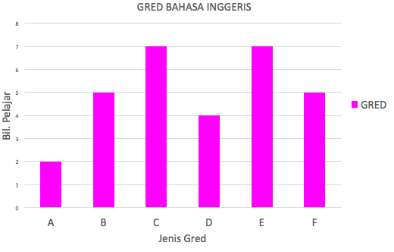
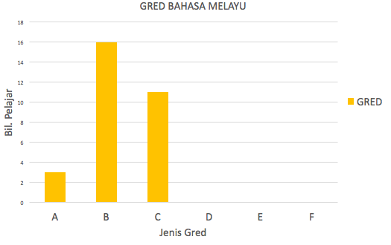
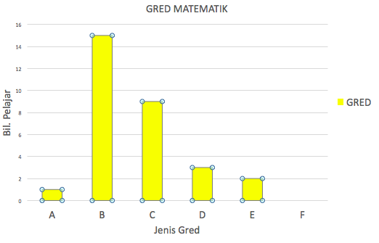
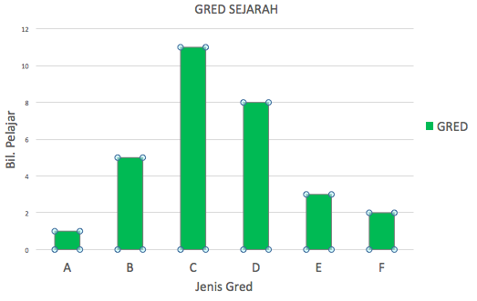
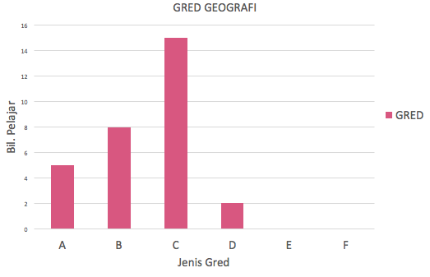
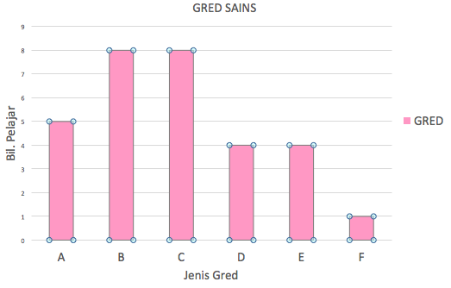
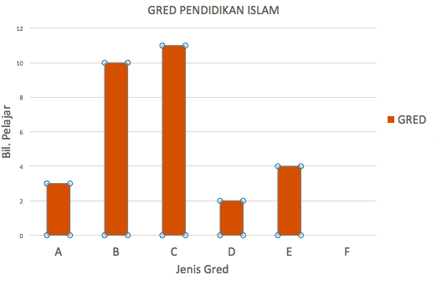
 |  |  |  |  |  | MARKAH PELAJAR 4 BESTARI

BIL | NAMA PELAJAR | BM | GRED | BI | GRED | SEJ | GRED | MATHS | GRED | GEOGRAFI | GRED | SAINS | GRED | PEND.ISLAM | GRED | JUMLAH
1 | AHMAD ZAIDY BIN ALIM | 87 | B | 90 | A | 80 | B | 79 | B | 78 | C | 90 | A | 80 | B | 584
2 | BUNGA CITRA LESTARI BINTI DAUD | 84 | B | 86 | B | 80 | B | 80 | B | 68 | D | 91 | A | 87 | B | 576
3 | BUNGA LESTARI BT JAMALUDDIN | 76 | C | 70 | C | 70 | C | 87 | B | 76 | C | 70 | C | 70 | C | 519 | MARKAH | GRED
4 | JALALUDIN BIN HASSAN | 77 | C | 39 | F | 50 | E | 86 | B | 75 | C | 56 | E | 50 | E | 433 | 39 | F
5 | JIASON A/L MURAGEM | 70 | C | 40 | F | 70 | C | 85 | B | 79 | B | 56 | E | 77 | C | 477 | 49 | E
6 | KHUSYAIRI BIN KHABSHAH | 88 | B | 53 | E | 75 | C | 88 | B | 78 | C | 76 | C | 75 | C | 533 | 59 | D
7 | LEE SOON MECK | 80 | B | 45 | F | 68 | D | 81 | B | 82 | B | 89 | A | 89 | A | 534 | 69 | C
8 | MOHD ALIF HAIQAL BIN AZIZ | 74 | C | 56 | E | 90 | A | 83 | B | 89 | A | 76 | C | 87 | B | 555 | 79 | B
9 | MOHD AMIN BIN SALAM | 74 | C | 57 | E | 40 | F | 82 | B | 77 | C | 65 | D | 56 | E | 451 | 89 | A
10 | MOHD FAIZUL BIN ADNAN | 76 | C | 80 | B | 59 | D | 85 | B | 75 | C | 67 | D | 67 | D | 509
11 | MOHD HAFIZ BIN SUFIAN | 79 | B | 59 | D | 79 | B | 84 | B | 77 | C | 88 | B | 77 | C | 543
12 | MOHD HAKIMI BIN JALAL | 80 | B | 69 | C | 60 | D | 77 | C | 89 | A | 87 | B | 70 | C | 532
13 | MOHD JAMAL BIN SARIMIN | 90 | A | 63 | D | 63 | D | 78 | C | 90 | A | 67 | D | 80 | B | 531
14 | MOHD YUSOF BIN AZMAN | 87 | B | 42 | F | 45 | F | 75 | C | 78 | C | 79 | B | 54 | E | 460
15 | MOHD ZULHILMI ZAMRI | 90 | A | 79 | B | 69 | C | 79 | B | 76 | C | 49 | E | 45 | F | 487
16 | NUR AINA NAJIHAH BINTI YUSOF | 70 | C | 45 | F | 59 | D | 56 | E | 78 | C | 45 | F | 67 | D | 420
17 | NUR ALIA BATRISYA | 88 | B | 53 | E | 76 | C | 76 | C | 76 | C | 57 | E | 75 | C | 501
18 | NURAIN NAJIHAH BINTI ISMAIL | 89 | A | 57 | E | 77 | C | 66 | D | 87 | B | 88 | B | 77 | C | 541
19 | NURAMIZA IZZATIE BINTI AMRI | 85 | B | 60 | D | 68 | D | 78 | C | 67 | D | 76 | C | 88 | B | 522
20 | NURUL AIMY NAZIRAH BINTI UMAR | 82 | B | 58 | E | 84 | B | 90 | A | 89 | A | 67 | D | 90 | A | 560
21 | NURUL HAZIEQAH BINTI SALMAN | 76 | C | 69 | C | 58 | E | 78 | C | 87 | B | 70 | C | 87 | B | 525
22 | NURUL JANNAH BINTI SAMSURI | 75 | C | 70 | C | 78 | C | 87 | B | 80 | B | 88 | B | 84 | B | 562
23 | NURUL NAZATUL SHIMA BINTI ZAMRI | 78 | C | 75 | C | 77 | C | 66 | D | 89 | A | 80 | B | 70 | C | 535
24 | RAJA ALIAS BIN RAJA ANUAR | 79 | B | 66 | D | 67 | D | 56 | E | 88 | B | 90 | A | 78 | C | 524
25 | SAYANGKU INTAN BINTI AHMAD | 80 | B | 76 | C | 87 | B | 67 | D | 78 | C | 78 | C | 79 | B | 545
26 | SITI NADHIRAH BINTI ANUAR | 75 | C | 50 | E | 78 | C | 87 | B | 79 | B | 76 | C | 87 | B | 532
27 | SITI NADIA BINTI ANUAR | 86 | B | 70 | C | 68 | D | 70 | C | 76 | C | 74 | C | 90 | A | 534
28 | TENGKU ZAINAL BIN TENGKU ZAMANI | 82 | B | 79 | B | 58 | E | 77 | C | 78 | C | 79 | B | 76 | C | 529
29 | ZAHIRAH NATASYA BINTI ZAMBRI | 81 | B | 85 | B | 76 | C | 78 | C | 75 | C | 88 | B | 77 | C | 560
30 | ZAIDATUL SHIMA BINTI YAHYA | 83 | B | 90 | A | 75 | C | 80 | B | 83 | B | 90 | A | 79 | B | 580

